Sheet1
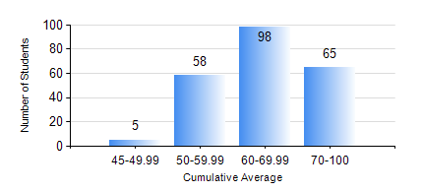
 |  |  | KWAME NKRUMAH UNIVERSITY OF SCIENCE AND TECHNOLOGY, KUMASI Department of Civil Engineering

 |  |  | BSC. CIVIL ENG.

 |  |  | COMPREHENSIVE RECORD OF EXAMINATION RESULTS

 |  |  | RESULTS OF YEAR 3 FIRST SEMESTER, 2020/2021 ACADEMIC YEAR

 | Sn | Course Code |  | Course Name | Credit Hours | Min. Mark | Max. Mark | Avg. Mark | Std. Dev. | No. Passed | No. Trailed | No. (Df) | No. (I) | No. (I*) | No. Tagged(I,I*,Df) | Total
 | 0. |  |  |  |  |  |  | 0 | 0 | 0 | 0 | 0 | 0 | 0 | 0 | 7
 | 1. | CE 351 |  | STRUCTURAL ANALYSIS | 2 | 4 | 96 | 50 | 17.04 | 203 | 15 | 0 | 1 | 0 | 1 | 219
 | 2. | CE 353 |  | REINFORCED CONCRETE DESIGN | 3 | 44 | 90 | 58 | 12.47 | 218 | 0 | 0 | 1 | 0 | 1 | 219
 | 3. | CE 355 |  | HYDROLOGY | 2 | 31 | 91 | 65 | 12.88 | 214 | 4 | 0 | 1 | 0 | 1 | 219
 | 4. | CE 359 |  | SOIL MECHANICS | 3 | 10 | 96 | 62 | 16.4 | 206 | 12 | 0 | 1 | 0 | 1 | 219
 | 5. | CE 367 |  | HIGHWAY AND TRANSPORTATION ENGINEERING I | 2 | 41 | 85 | 69 | 8.4 | 218 | 0 | 0 | 1 | 0 | 1 | 219
 | 6. | GE 381 |  | ENGINEERING SURVEYING | 3 | 5 | 90 | 56 | 17.24 | 195 | 23 | 0 | 1 | 0 | 1 | 219
 | 7. | MATH 351 |  | NUMERICAL ANALYSIS | 2 | 23 | 80 | 54 | 8.97 | 212 | 6 | 0 | 1 | 0 | 1 | 219
 | 8. | MATH 353 |  | STATISTICS I | 2 | 21 | 91 | 68 | 9.2 | 217 | 1 | 0 | 1 | 0 | 1 | 219

